How to submit request form
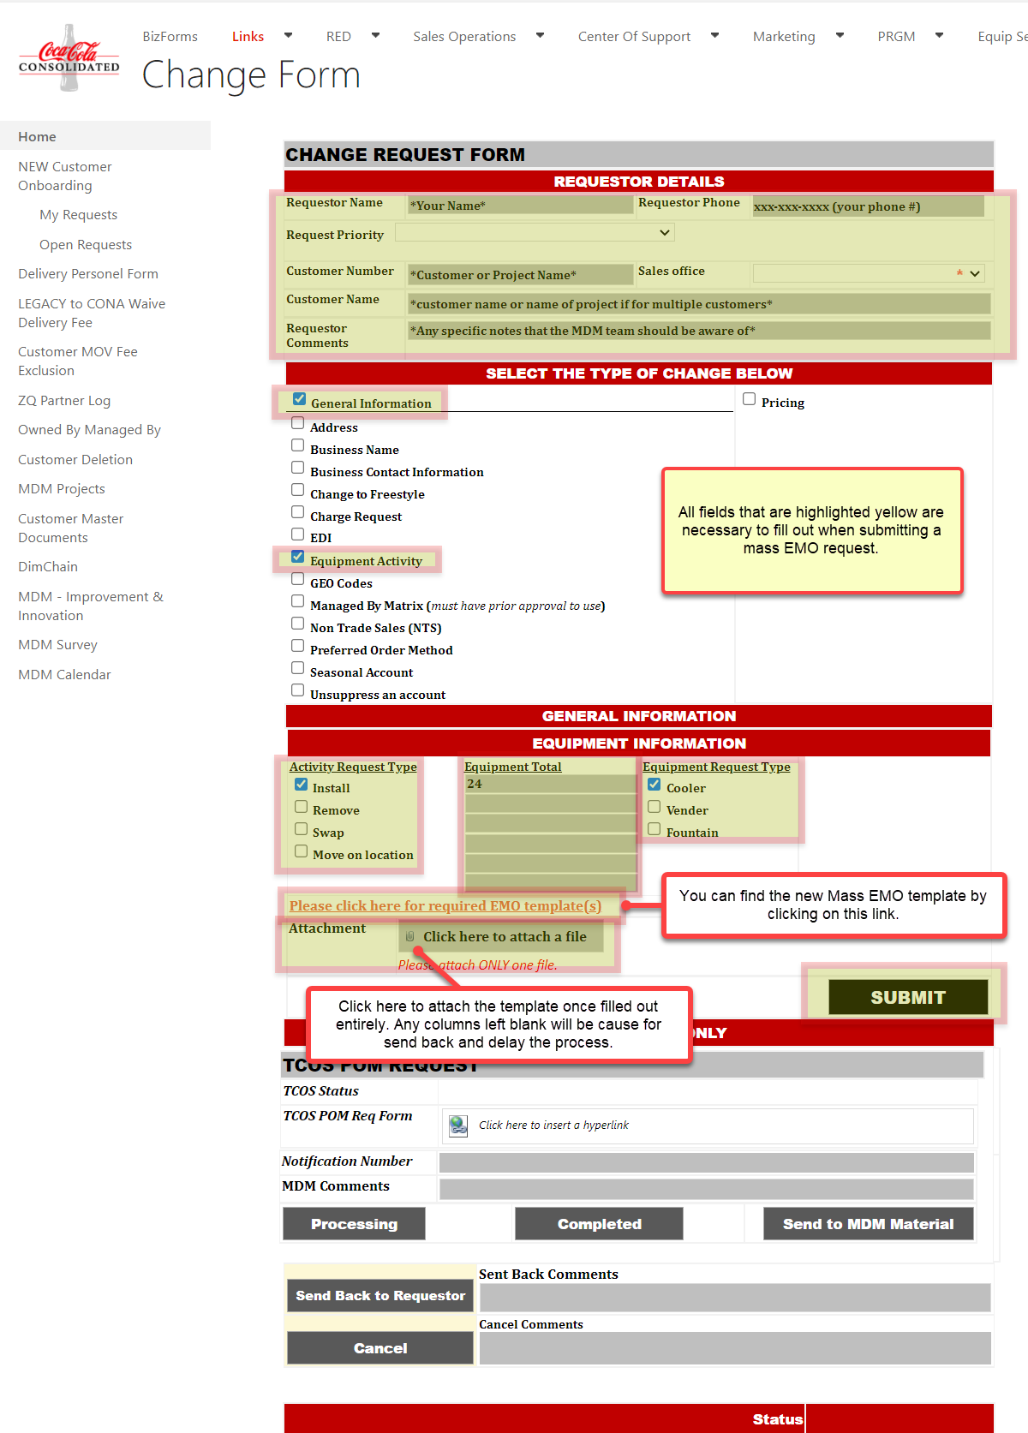
Visit this link for the request form: | MASS EMO REQUEST FORM LINK

· Fill in all the below boxes and check the ‘General Information’ box.
· Click ‘Equipment Activity’
· Choose your Activity Request Type
· Enter the total # of equipment we are installing/removing
· Choose the Equipment Request Type
· Click the 'Please click here for required EMO template(s)' link. Open and fill out the ‘2022 MASS EMO IW51 Vxx’ (Version will vary) template. Please be sure to fill in all fields on this template.
· Please use the SAP/CONA equipment # (asset/serial # will not work). The number that we need is the 9 digit equipment #, usually beginning with a 1.
· Link that attachment to this form
· Click Submit

How to retreive CONA Equip. #'s
